Case 2mps
rho | nu | F_twidle | speed U | q | ID # | Whale | Species | Total Length (m) | Log10 TL (m) | Mass per Unit Length | Mass Based on TL | Log Mass | Sa Coeff (area/m) | Surface Area (m2) | Fluke Area (m) | FA/L | Chord Length (m) | Maximum Diameter | Fineness Ratio | w_max/TL | pressure drag coef 2nd bracket | Reynolds number | friction drag 1st bracket | drag coefficient C_D | Drag force (N) | Special Notes
1025 | 0.00000119 | 1 | 2 | 2050 | 5 | bb180304-42 | Minke | 8.039457656 | 0.905226752 | 825 | 6632.552566 | 3.821680701 | 3.5 | 28.1381018 | 1.109 | 0.13794462854 | 0.734559658 | 1.424354646 | 5.644280854 | 0.17717048922 | 1.1507898123 | 1.35E+07 | 0.0026989232784 | 0.0031058934129 | 179.15758732
1025 | 0.00000119 | 1 | 2 | 2050 | 6 | bb180304-45 | Minke | 8.620920788 | 0.935553655 | 825 | 7112.25965 | 3.852007603 | 3.5 | 30.17322276 | 1.071 | 0.12423266915 | 0.743414236 | 1.444013611 | 5.970110478 | 0.16750108794 | 1.1357260901 | 1.45E+07 | 0.0026614919605 | 0.0030227258582 | 186.97103036 | Speed messed up near end. Removed A series of flukebeats without speed.
1025 | 0.00000119 | 1 | 2 | 2050 | 15 | bp170907-41b | Fin | 18.47 | 1.266466895 | 2220.120573 | 41005.62698 | 4.612843457 | 5.814969371 | 107.4024843 | 2.435 | 0.13183540877 | 1 |  |  | 0 | 1 | 3.10E+07 | 0.0022852962684 | 0.0022852962684 | 503.16531801 | Gyros messed up. Using Accelerometer x-axis (Aw(:,1)).
1025 | 0.00000119 | 1 | 2 | 2050 | 19 | bp180828-44 | Fin | 19.33 | 1.286231854 | 2220.120573 | 42914.93067 | 4.632608415 | 5.814969371 | 112.4033579 | 3.127 | 0.16176927056 | 1.13 | 1.9 | 10.17368421 | 0.098292809105 | 1.0528722519 | 3.25E+07 | 0.0022645896535 | 0.0023843236082 | 549.41225875
1025 | 0.00000119 | 1 | 2 | 2050 | 28 | bw170813-44 | Blue | 22.59 | 1.353916231 | 3659.249544 | 82662.4472 | 4.917308258 | 6.776804323 | 153.0880096 | 4.442 | 0.1966356795 | 1.33 |  |  | 0 | 1 | 3.80E+07 | 0.0021950915776 | 0.0021950915776 | 688.88651102 | yaxisgyro is slightly below zero, might want to re-center.
1025 | 0.00000119 | 1 | 2 | 2050 | 30 | bw170814-31 | Blue | 22.21 | 1.346548559 | 3659.249544 | 81271.93237 | 4.909940586 | 6.776804323 | 150.512824 | 4.471 | 0.20130571814 | 1.24 | 2.71 | 8.195571956 | 0.12201710941 | 1.0766488832 | 3.73E+07 | 0.0022025520376 | 0.0023713751915 | 731.69087251 | One measurement removed for lack of accurate speed measure (assumed)
Drag coefficient vs. Reynolds number
1025 | 0.00000119 | 1 | 2 | 2050 | 31 | bw170814-40 | Blue | 22.53 | 1.352761192 | 3659.249544 | 82442.89223 | 4.916153219 | 6.776804323 | 152.6814014 | 5.285 | 0.23457612073 | 1.34 | 2.863333825 | 7.868450338 | 0.12708982801 | 1.082329766 | 3.79E+07 | 0.0021962594907 | 0.0023770770208 | 744.01767407
1025 | 0.00000119 | 1 | 2 | 2050 | 32 | bw170814-50 | Blue | 22.75 | 1.356981401 | 3659.249544 | 83247.92713 | 4.920373428 | 6.776804323 | 154.1722983 | 4.442 | 0.19525274725 | 1.24 | 3.170940129 | 7.174528396 | 0.13938198369 | 1.0970098343 | 3.82E+07 | 0.0021919952534 | 0.0024046403497 | 759.99430506
1025 | 0.00000119 | 1 | 2 | 2050 | 33 | bw170814-51 | Blue | 20.7 | 1.315970345 | 3659.249544 | 75746.46556 | 4.879362373 | 6.776804323 | 140.2798495 | 3.698 | 0.178647343 | 1.04 |  |  | 0 | 1 | 3.48E+07 | 0.0022337873155 | 0.0022337873155 | 642.3784643
1025 | 0.00000119 | 1 | 2 | 2050 | 34 | bw170815-21 | Blue | 22.55 | 1.353146546 | 3659.249544 | 82516.07722 | 4.916538574 | 6.776804323 | 152.8169375 | 3.357 | 0.1488691796 | 1.27 | 2.665749505 | 8.459159407 | 0.11821505565 | 1.0725320108 | 3.79E+07 | 0.0021958697721 | 0.0023551406221 | 737.80602336
1025 | 0.00000119 | 1 | 2 | 2050 | 35 | bw170815-28 | Blue | 21.09 | 1.32407658 | 3659.249544 | 77173.57288 | 4.887468607 | 6.776804323 | 142.9228032 | 4.223 | 0.20023707918 | 1.23 | 2.554351888 | 8.256497508 | 0.12111673248 | 1.0756631101 | 3.54E+07 | 0.0022254640014 | 0.0023938495292 | 701.37815456
1025 | 0.00000119 | 1 | 2 | 2050 | 36 | bw170815-43 | Blue | 21.98 | 1.342027688 | 3659.249544 | 80430.30498 | 4.905419715 | 6.776804323 | 148.954159 | 3.623 | 0.16483166515 | 1.19 | 2.745733461 | 8.005147008 | 0.12491962971 | 1.0798728573 | 3.69E+07 | 0.0022071423907 | 0.0023834331599 | 727.79567781
1025 | 0.00000119 | 1 | 2 | 2050 | 37 | bw170816-27 | Blue | 22.51 | 1.352375495 | 3659.249544 | 82369.70724 | 4.915767522 | 6.776804323 | 152.5458653 | 6.199 | 0.27538871613 | 1.47 | 3.1 | 7.261290323 | 0.13771657041 | 1.0949436939 | 3.78E+07 | 0.0021966496248 | 0.0024052076544 | 752.15418987
1025 | 0.00000119 | 1 | 2 | 2050 | 38 | bw170816-41 | Blue | 24.12 | 1.382377303 | 3659.249544 | 88261.099 | 4.945769331 | 6.776804323 | 163.4565203 | 5.433 | 0.22524875622 | 1.38 | 2.902888978 | 8.308963994 | 0.12035194768 | 1.0748310876 | 4.05E+07 | 0.0021665086577 | 0.0023286308569 | 780.2912887
1025 | 0.00000119 | 1 | 2 | 2050 | 39 | bw170816-44 | Blue | 21.77 | 1.337858429 | 3659.249544 | 79661.86257 | 4.901250456 | 6.776804323 | 147.5310301 | 4.668 | 0.2144235186 | 1.3 | 2.679195205 | 8.125574411 | 0.12306822255 | 1.0778082497 | 3.66E+07 | 0.0022113842075 | 0.0023834481421 | 720.84674717
1025 | 0.00000119 | 1 | 2 | 2050 | 40 | bw170816-51 | Blue | 22.93 | 1.360404055 | 3659.249544 | 83906.59204 | 4.923796082 | 6.776804323 | 155.3921231 | 5.068 | 0.22102049717 | 1.33 | 2.913890629 | 7.869204071 | 0.12707765499 | 1.0823158735 | 3.85E+07 | 0.0021885429732 | 0.0023686947998 | 754.55685353
1025 | 0.00000119 | 1 | 2 | 2050 | 43 | bw180827-52 | Blue | 23.59 | 1.372727941 | 3659.249544 | 86321.69674 | 4.936119968 | 6.776804323 | 159.864814 | 4.906 | 0.20796947859 | 1.37 | 3.44 | 6.85755814 | 0.14582450191 | 1.1052354351 | 3.96E+07 | 0.002176157385 | 0.0024051662543 | 788.22798455
1025 | 0.00000119 | 1 | 2 | 2050 | 44 | bw180830-46 | Blue | 19.27 | 1.284881715 | 3659.249544 | 70513.73871 | 4.848273742 | 6.776804323 | 130.5890193 | 3.999 | 0.20752464971 | 1.03 | 2.41 | 7.995850622 | 0.12506486767 | 1.0800360401 | 3.24E+07 | 0.0022659981275 | 0.0024473596445 | 655.17650648
1025 | 0.00000119 | 1 | 2 | 2050 | 45 | bw180830-52b | Blue | 21.98 | 1.342027688 | 3659.249544 | 80430.30498 | 4.905419715 | 6.776804323 | 148.954159 | 4.415 | 0.2008644222 | 1.28 | 2.71 | 8.110701107 | 0.12329390355 | 1.078058379 | 3.69E+07 | 0.0022071423907 | 0.0023794283479 | 726.57278435
1025 | 0.00000119 | 1 | 2 | 2050 | 46 | bw180904-44 | Blue | 25.18 | 1.401055726 | 3659.249544 | 92139.90352 | 4.964447753 | 6.776804323 | 170.6399328 | 5.522 | 0.21930103257 | 1.35 | 2.88 | 8.743055556 | 0.11437648928 | 1.068496393 | 4.23E+07 | 0.0021479528527 | 0.0022950798754 | 802.84616519
1025 | 0.00000119 | 1 | 2 | 2050 | 47 | bw180904-48 | Blue | 22.83 | 1.358505911 | 3659.249544 | 83540.66709 | 4.921897939 | 6.776804323 | 154.7144427 | 5.128 | 0.22461673237 | 1.34 | 2.79 | 8.182795699 | 0.12220762155 | 1.0768583309 | 3.84E+07 | 0.0021904568746 | 0.002358811734 | 748.13159787
1025 | 0.00000119 | 1 | 2 | 2050 | 49 | bw180905-53 | Blue | 24.49 | 1.388988785 | 3659.249544 | 89615.02133 | 4.952380813 | 6.776804323 | 165.9639379 | 5.862 | 0.23936300531 | 1.4 | 2.81 | 8.715302491 | 0.11474071049 | 1.0688741427 | 4.12E+07 | 0.002159922321 | 0.0023086851191 | 785.47487117
1025 | 0.00000119 | 1 | 2 | 2050 | 98 | mn170703-40 | Humpback | 10.1 | 1.004321374 | 2323.807477 | 23470.45552 | 4.370521519 | 5.548037889 | 56.03518268 | 2.274 | 0.22514851485 | 0.94 |  |  | 0 | 1 | 1.70E+07 | 0.0025785265934 | 0.0025785265934 | 296.20082785 | tough to see tail in image
1025 | 0.00000119 | 1 | 2 | 2050 | 99 | mn170807-40 | Humpback | 10.44 | 1.018700499 | 2323.807477 | 24260.55006 | 4.384900643 | 5.548037889 | 57.92151556 | 2.701 | 0.2587164751 | 1.01 | 1.942977731 | 5.37319591 | 0.18610897807 | 1.1655553089 | 1.75E+07 | 0.0025615084321 | 0.0029855797519 | 354.50507331
1025 | 0.00000119 | 1 | 2 | 2050 | 100 | mn170807-41 | Humpback | 12.17 | 1.085290578 | 2323.807477 | 28280.737 | 4.451490723 | 5.548037889 | 67.51962111 | 4.217 | 0.34650780608 | 1.14 | 2.183012426 | 5.574865197 | 0.17937653459 | 1.1543579195 | 2.05E+07 | 0.0024841497581 | 0.0028675979466 | 396.91921004
1025 | 0.00000119 | 1 | 2 | 2050 | 101 | mn170808-42 | Humpback | 8.22 | 0.914871818 | 2323.807477 | 19101.69746 | 4.281071962 | 5.548037889 | 45.60487145 | 1.641 | 0.1996350365 | 0.72 | 1.87 | 4.4 | 0.22749391727 | 1.2451745655 | 1.38E+07 | 0.0026869620096 | 0.0033457367528 | 312.79288376
1025 | 0.00000119 | 1 | 2 | 2050 | 103 | mn170809-41 | Humpback | 8.8 | 0.944482672 | 2323.807477 | 20449.5058 | 4.310682817 | 5.548037889 | 48.82273342 | 2.221 | 0.25238636364 | 0.98 | 1.79 | 4.91 | 0.20340909091 | 1.1965217125 | 1.48E+07 | 0.0026505704698 | 0.0031714651176 | 317.42117178
1025 | 0.00000119 | 1 | 2 | 2050 | 104 | mn170809-43 | Humpback | 10.2 | 1.008600172 | 2323.807477 | 23702.83627 | 4.374800317 | 5.548037889 | 56.58998647 | 2.669 | 0.26166666667 | 1.1 | 2.083554224 | 4.895480944 | 0.20427002196 | 1.1981475002 | 1.71E+07 | 0.0025734507143 | 0.0030833735401 | 357.70053718
1025 | 0.00000119 | 1 | 2 | 2050 | 105 | mn170809-44 | Humpback | 12.73 | 1.104828404 | 2323.807477 | 29582.06919 | 4.471028548 | 5.548037889 | 70.62652233 | 4.949 | 0.38876669285 | 1.3 | 2.672408362 | 4.763493551 | 0.20992995774 | 1.2090410768 | 2.14E+07 | 0.0024618988692 | 0.0029765368597 | 430.95601632
1025 | 0.00000119 | 1 | 2 | 2050 | 106 | mn170809-50 | Humpback | 11.64 | 1.06595298 | 2323.807477 | 27049.11904 | 4.432153125 | 5.548037889 | 64.57916103 | 3.352 | 0.28797250859 | 1.08 | 2.520459976 | 4.618204658 | 0.2165343622 | 1.222209447 | 1.96E+07 | 0.0025063706342 | 0.0030633098668 | 405.54326141
1025 | 0.00000119 | 1 | 2 | 2050 | 107 | mn170809-51 | Humpback | 10.55 | 1.02325246 | 2323.807477 | 24516.16889 | 4.389452604 | 5.548037889 | 58.53179973 | 2.74 | 0.26 | 1 | 2.024132768 | 5.212108695 | 0.19186092588 | 1.1754958194 | 1.77E+07 | 0.00255614448 | 0.00300473715 | 360.53897987
1025 | 0.00000119 | 1 | 2 | 2050 | 108 | mn170810-30 | Humpback | 14.76 | 1.169086357 | 2323.807477 | 34299.39837 | 4.535286502 | 5.548037889 | 81.88903924 | 5.968 | 0.40433604336 | 1.37 | 3.008861487 | 4.905509963 | 0.20385240427 | 1.1973578451 | 2.48E+07 | 0.0023901140128 | 0.0028618217639 | 480.42126118
1025 | 0.00000119 | 1 | 2 | 2050 | 109 | mn170810-40 | Humpback | 7.07 | 0.849419414 | 2323.807477 | 16429.31887 | 4.215619559 | 5.548037889 | 39.22462788 | 1.359 | 0.19222065064 | 0.72 | 1.408605348 | 5.01914891 | 0.19923696577 | 1.1887585165 | 1.19E+07 | 0.0027691852317 | 0.003291892528 | 264.70268183
1025 | 0.00000119 | 1 | 2 | 2050 | 110 | mn170810-42 | Humpback | 9.78 | 0.990338855 | 2323.807477 | 22726.83713 | 4.356539 | 5.548037889 | 54.25981055 | 2.467 | 0.25224948875 | 0.97 | 1.857490377 | 5.265168596 | 0.18992744141 | 1.172115479 | 1.64E+07 | 0.0025951837826 | 0.0030418550825 | 338.35348502
1025 | 0.00000119 | 1 | 2 | 2050 | 111 | mn170815-10 | Humpback | 12.21 | 1.086715664 | 2323.807477 | 28373.6893 | 4.452915809 | 5.548037889 | 67.74154263 | 3.702 | 0.30319410319 | 1.11 | 2.790976425 | 4.374813018 | 0.22858119779 | 1.2475301308 | 2.05E+07 | 0.0024825200045 | 0.0030970185058 | 430.08346283
1025 | 0.00000119 | 1 | 2 | 2050 | 112 | mn170817-30 | Humpback | 11.69 | 1.067814511 | 2323.807477 | 27165.30941 | 4.434014656 | 5.548037889 | 64.85656292 | 2.964 | 0.25355004277 | 1.03 | 2.830971106 | 4.129325083 | 0.24217032558 | 1.2781779847 | 1.96E+07 | 0.002504222927 | 0.0032008426141 | 425.57108332
1025 | 0.00000119 | 1 | 2 | 2050 | 113 | mn170817-43 | Humpback | 11.97 | 1.07809415 | 2323.807477 | 27815.97551 | 4.444294295 | 5.548037889 | 66.41001353 | 2.628 | 0.21954887218 | 1.04 | 2.533612781 | 4.724478851 | 0.21166355731 | 1.2124496437 | 2.01E+07 | 0.0024923960798 | 0.003021904739 | 411.40370594
1025 | 0.00000119 | 1 | 2 | 2050 | 114 | mn170817-50 | Humpback | 13.13 | 1.118264726 | 2323.807477 | 30511.59218 | 4.484464871 | 5.548037889 | 72.84573748 | 3.388 | 0.25803503427 | 1.11 | 2.434097965 | 5.394195381 | 0.1853844604 | 1.1643277933 | 2.21E+07 | 0.0024467125204 | 0.0028487753896 | 425.41834554 | One measurement removed for lack of accurate speed measure (assumed)
1025 | 0.00000119 | 1 | 2 | 2050 | 115 | mn170817-51 | Humpback | 10.6 | 1.025305865 | 2323.807477 | 24632.35926 | 4.39150601 | 5.548037889 | 58.80920162 | 2.506 | 0.23641509434 | 1.05 | 2.465025295 | 4.300158713 | 0.23254955613 | 1.256247741 | 1.78E+07 | 0.0025537284601 | 0.0032081156093 | 386.76677126
1025 | 0.00000119 | 1 | 2 | 2050 | 116 | mn170908-44 | Humpback | 14.74 | 1.168497484 | 2323.807477 | 34252.92222 | 4.534697628 | 5.548037889 | 81.77807848 | 5.017 | 0.34036635007 | 1.39 |  |  | 0 | 1 | 2.48E+07 | 0.0023907622673 | 0.0023907622673 | 400.79948586 | some of fluke is cut off from image
1025 | 0.00000119 | 1 | 2 | 2050 | 124 | mn180227-40 | Humpback | 10.39528107 | 1.016836236 | 2323.807477 | 24156.63188 | 4.383036381 | 5.548037889 | 57.67341325 | 2.989 | 0.28753431291 | 0.978431546 | 2.473896415 | 4.201987201 | 0.23798263831 | 1.2684925162 | 1.75E+07 | 0.0025637084941 | 0.0032520450386 | 384.49090171
1025 | 0.00000119 | 1 | 2 | 2050 | 125 | mn180227-41 | Humpback | 11.98875855 | 1.078774214 | 2323.807477 | 27859.56676 | 4.444974359 | 5.548037889 | 66.51408668 | 4.246 | 0.35416511078 | 1.237539284 | 2.627406571 | 4.56296284 | 0.21915585004 | 1.2275750009 | 2.01E+07 | 0.0024916156316 | 0.0030586450612 | 417.05811459 | Gyros messed up. Needed to use tag frame (Gt(:,2)) to account.
1025 | 0.00000119 | 1 | 2 | 2050 | 126 | mn180227-43 | Humpback | 10.00531323 | 1.000230689 | 2323.807477 | 23250.42169 | 4.366430834 | 5.548037889 | 55.50985688 | 2.408 | 0.24067212536 | 0.997651274 | 2.058839563 | 4.859685721 | 0.20577462351 | 1.2010085104 | 1.68E+07 | 0.0025833886768 | 0.0031026717865 | 353.06917697 | Frequency/Speed graph looks unique. Not sure why.
1025 | 0.00000119 | 1 | 2 | 2050 | 127 | mn180227-44 | Humpback | 11.42822532 | 1.057978794 | 2323.807477 | 26556.99546 | 4.424178939 | 5.548037889 | 63.40422709 | 3.506 | 0.30678429081 | 1.154115321 | 2.695316861 | 4.240030361 | 0.23584736786 | 1.2636371819 | 1.92E+07 | 0.00251559157 | 0.0031787950424 | 413.17553761
1025 | 0.00000119 | 1 | 2 | 2050 | 128 | mn180227-46 | Humpback | 10.66163108 | 1.027823651 | 2323.807477 | 24775.57803 | 4.394023796 | 5.548037889 | 59.1511332 | 3.066 | 0.28757325938 | 1.054469128 | 2.3209128 | 4.593723246 | 0.21768834267 | 1.2245615804 | 1.79E+07 | 0.0025507691712 | 0.0031235739276 | 378.76402177
1025 | 0.00000119 | 1 | 2 | 2050 | 129 | mn180228-47 | Humpback | 9.423852558 | 0.974228483 | 2323.807477 | 21899.21904 | 4.340428628 | 5.548037889 | 52.28389106 | 2.427 | 0.25753798514 | 0.912937102 | 1.995639967 | 4.722220798 | 0.21176476974 | 1.2126496962 | 1.58E+07 | 0.0026145093124 | 0.0031704839232 | 339.8187339
1025 | 0.00000119 | 1 | 2 | 2050 | 130 | mn180302-27 | Humpback | 11.37943313 | 1.056120628 | 2323.807477 | 26443.61179 | 4.422320773 | 5.548037889 | 63.13352614 | 3.21 | 0.2820878653 | 1.117975072 | 2.34768138 | 4.847094338 | 0.20630916788 | 1.2020310057 | 1.91E+07 | 0.0025177451263 | 0.0030264077064 | 391.68896958
1025 | 0.00000119 | 1 | 2 | 2050 | 131 | mn180302-47 | Humpback | 11.35931144 | 1.055352007 | 2323.807477 | 26396.85287 | 4.421552152 | 5.548037889 | 63.02189029 | 3.63 | 0.31956162301 | 1.038791053 | 2.365868727 | 4.801327865 | 0.20827571631 | 1.2058201319 | 1.91E+07 | 0.0025186364731 | 0.0030370225641 | 392.36775083
1025 | 0.00000119 | 1 | 2 | 2050 | 144 | mn180831-11 | Humpback | 12.93 | 1.111598525 | 2323.807477 | 30046.83068 | 4.47779867 | 5.548037889 | 71.73612991 | 3.773 | 0.29180201083 | 1.13 | 2.68 | 4.824626866 | 0.20726991493 | 1.2038767634 | 2.17E+07 | 0.002454235222 | 0.0029545967557 | 434.50024023
1025 | 0.00000119 | 1 | 2 | 2050 | 145 | mn180831-20 | Humpback | 12.38 | 1.092720645 | 2323.807477 | 28768.73657 | 4.45892079 | 5.548037889 | 68.68470907 | 3.556 | 0.28723747981 | 1.08 | 2.28 | 5.43 | 0.18416801292 | 1.1622790941 | 2.08E+07 | 0.0024756643377 | 0.0028774129038 | 405.15024976
1025 | 0.00000119 | 1 | 2 | 2050 | 146 | mn180831-30 | Humpback | 7.82 | 0.893206753 | 2323.807477 | 18172.17447 | 4.259406898 | 5.548037889 | 43.38565629 | 1.77 | 0.23 | 0.74 | 1.36 | 5.74 | 0.17391304348 | 1.1456110381 | 1.31E+07 | 0.0027139043614 | 0.0031090787928 | 276.52331896
1025 | 0.00000119 | 1 | 2 | 2050 | 147 | mn180831-44 | Humpback | 13.1 | 1.117271296 | 2323.807477 | 30441.87796 | 4.48347144 | 5.548037889 | 72.67929635 | 3.653 | 0.27885496183 | 1.15 | 2.61 | 5.02 | 0.19923664122 | 1.18875792 | 2.20E+07 | 0.0024478321269 | 0.0029098798278 | 433.55043761
1025 | 0.00000119 | 1 | 2 | 2050 | 148 | mn180906-40 | Humpback | 9.99 | 0.999565488 | 2323.807477 | 23214.8367 | 4.365765633 | 5.548037889 | 55.42489851 | 2.337 | 0.23393393393 | 0.98 | 2.15 | 4.64 | 0.21521521522 | 1.2195394336 | 1.68E+07 | 0.0025841801842 | 0.0031515096381 | 358.07780878
1025 | 0.00000119 | 1 | 2 | 2050 | 156 | bb190224-52 | Minke | 4.54 | 0.657055853 | 825 | 3745.5 | 3.573509801 | 3.5 | 15.89 | 0.352 | 0.077533039648 | 0.353 | 0.91906641 |  | 0.20243753524 | 1.1946968449 | 7.63E+06 | 0.0030256920141 | 0.003614784703 | 117.74980431
1025 | 0.00000119 | 1 | 2 | 2050 | 157 | bb190224-48 | Minke | 5.76 | 0.760422483 | 825 | 4752 | 3.676876432 | 3.5 | 20.16 | 0.533 | 0.092534722222 | 0.466 | 1.054959926 |  | 0.18315276493 | 1.1605809835 | 9.68E+06 | 0.0028850370374 | 0.0033483191222 | 138.37933268
1025 | 0.00000119 | 1 | 2 | 2050 | 158 | bb190225-54 | Minke | 7.96 | 0.900913068 | 825 | 6567 | 3.817367016 | 3.5 | 27.86 | 0.893 | 0.11218592965 | 0.604 | 1.216504377 |  | 0.15282718304 | 1.1146035452 | 1.34E+07 | 0.002704290086 | 0.0030142113171 | 172.15065096
1025 | 0.00000119 | 1 | 2 | 2050 | 159 | bb190225-55 | Minke | 8.79 | 0.943988875 | 825 | 7251.75 | 3.860442824 | 3.5 | 30.765 | 0.851 | 0.096814562002 | 0.506 | 1.377098797 |  | 0.15666652981 | 1.1199325613 | 1.48E+07 | 0.0026511732832 | 0.0029691352856 | 187.25816648
1025 | 0.00000119 | 1 | 2 | 2050 | 160 | bb190226-56 | Minke | 6.53 | 0.814913181 | 825 | 5387.25 | 3.73136713 | 3.5 | 22.855 | 0.5 | 0.076569678407 | 0.441 | 1.010178229 |  | 0.15469804426 | 1.117183069 | 1.10E+07 | 0.0028135410329 | 0.0031432404059 | 147.26945693
1025 | 0.00000119 | 1 | 2 | 2050 | 161 | bb190226-53 | Minke | 6.56 | 0.816903839 | 825 | 5412 | 3.733357788 | 3.5 | 22.96 | 0.611 | 0.093140243902 | 0.512 | 1.130487661 |  | 0.17233043613 | 1.1431333473 | 1.10E+07 | 0.0028109629519 | 0.0032133054882 | 151.24386272
1025 | 0.00000119 | 1 | 2 | 2050 | 162 | bb190228-18 | Minke | 5.97 | 0.775974331 | 825 | 4925.25 | 3.69242828 | 3.5 | 20.895 | 0.573 | 0.095979899497 | 0.467 | 1.094326297 |  | 0.18330423735 | 1.1608336612 | 1.00E+07 | 0.0028644485322 | 0.0033251482769 | 142.43189516
1025 | 0.00000119 | 1 | 2 | 2050 | 163 | bb190228-52 | Minke | 8.47 | 0.92788341 | 825 | 6987.75 | 3.844337359 | 3.5 | 29.645 | 0.92 | 0.11 | 0.574 | 1.425706682 |  | 0.16832428359 | 1.13697247 | 1.42E+07 | 0.0026709097134 | 0.0030367508141 | 184.55017966
1025 | 0.00000119 | 1 | 2 | 2050 | 164 | bb190228-55 | Minke | 7.06 | 0.848804701 | 825 | 5824.5 | 3.76525865 | 3.5 | 24.71 | 0.739 | 0.10467422096 | 0.57 | 1.231794938 |  | 0.17447520368 | 1.1464971649 | 1.19E+07 | 0.0027699692594 | 0.0031757619026 | 160.86980706
1025 | 0.00000119 | 1 | 2 | 2050 | 165 | bb190302-48 | Minke | 8.62 | 0.935507266 | 825 | 7111.5 | 3.851961214 | 3.5 | 30.17 | 0.89 | 0.1 | 0.588 | 1.565552199 |  | 0.18161858457 | 1.1580350757 | 1.45E+07 | 0.0026615488181 | 0.003082166887 | 190.62739871
1025 | 0.00000119 | 1 | 2 | 2050 | 166 | bb190302-52 | Minke | 8.09 | 0.907948522 | 825 | 6674.25 | 3.82440247 | 3.5 | 28.315 | 0.963 | 0.11903584672 | 0.628 | 1.505379611 |  | 0.18607906193 | 1.1655045152 | 1.36E+07 | 0.00269554251 | 0.0031416669664 | 182.36041531
1025 | 0.00000119 | 1 | 2 | 2050 | 167 | bb190309-52 | Minke | 7.16 | 0.854913022 | 825 | 5907 | 3.771366971 | 3.5 | 25.06 | 0.714 | 0.099720670391 | 0.542 | 0.968322051 |  | 0.13524050992 | 1.0919170079 | 1.20E+07 | 0.0027621883239 | 0.0030160804099 | 154.9450989

 |  |  |  | CFD results |  | Reynolds # | CFD C_D
 |  |  |  | Blue Whale 22m | Model 1 "blue" | 3.70E+07 | 0.0023352375801
 |  |  |  |  | Model 2 scaled-up "sei" | 3.70E+07 | 0.0026603896184
 |  |  |  |  | Model 3 scaled-up "minke" | 3.70E+07 | 0.0030226564714
 |  |  |  | Humpback | Model 1 "Big" 16m | 2.69E+07 | 0.0034787128024
 |  |  |  |  | Model 2 "small" 14m | 2.45E+07 | 0.0038481017643

Hoerner model vs CFD
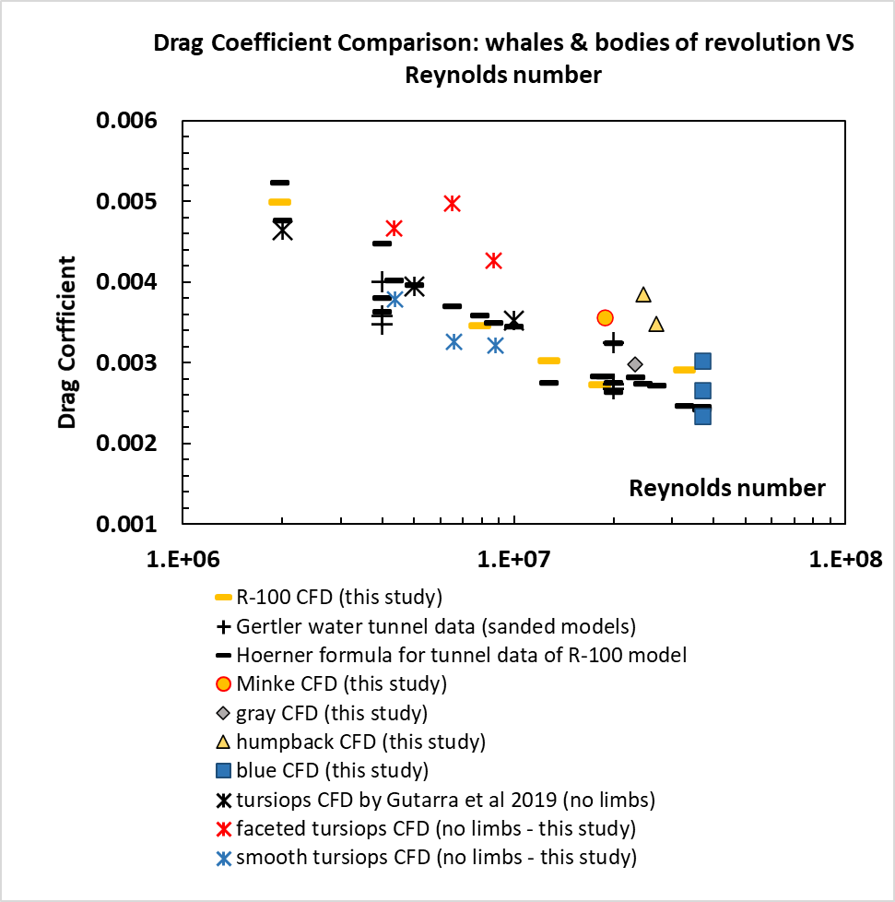

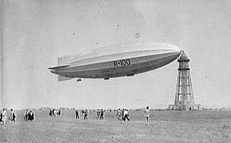

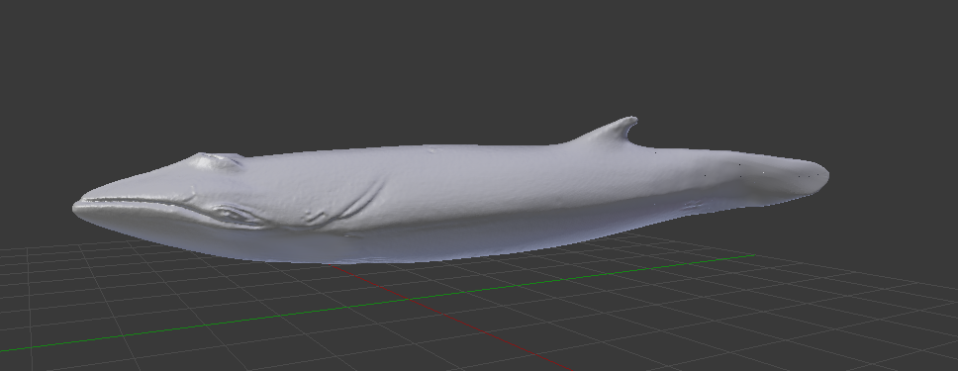
minke model for CFD

